Sheet1
staircase.thisTrialN | tilt | staircase.response | staircase.intensity | staircase.thisTrialN | tilt | staircase.response | staircase.intensity
0 | 10 | 1 | 10 | 68 | 1.5 | 0 | 1.5
1 | 8 | 1 | 8 | 69 | 2 | 1 | 2
2 | 6 | 1 | 6 | 80 | 1 | 0 | 1
3 | 4 | 1 | 4 | 81 | 1.5 | 1 | 1.5
4 | -2 | 1 | 2 | 83 | -1.5 | 0 | 1.5
5 | -1 | 1 | 1 | 84 | -2 | 1 | 2
6 | 1 | 0 | 1 | 92 | 1 | 0 | 1
7 | 2 | 1 | 2 | 93 | 1.5 | 1 | 1.5
8 | -2 | 1 | 2 | 97 | -1 | 0 | 1
9 | -2 | 1 | 2 | 98 | -1.5 | 1 | 1.5
10 | 1 | 1 | 1
11 | 1 | 1 | 1 | Difference Threshold:
12 | 1 | 1 | 1
13 | 1 | 1 | 1 | 1.7
14 | 1 | 1 | 1
15 | 1 | 1 | 1 | The difference threshold is thus = 1.7
16 | -1 | 0 | 1
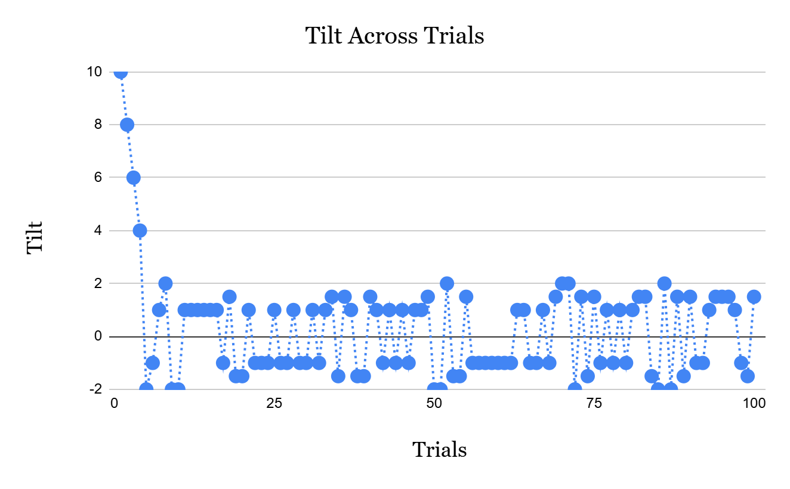
17 | 1.5 | 1 | 1.5
18 | -1.5 | 1 | 1.5
19 | -1.5 | 1 | 1.5
20 | 1 | 1 | 1
21 | -1 | 1 | 1
22 | -1 | 1 | 1
23 | -1 | 1 | 1
24 | 1 | 1 | 1
25 | -1 | 1 | 1
26 | -1 | 1 | 1
27 | 1 | 1 | 1
28 | -1 | 1 | 1
29 | -1 | 1 | 1
30 | 1 | 1 | 1
31 | -1 | 1 | 1
32 | 1 | 0 | 1
33 | 1.5 | 1 | 1.5
34 | -1.5 | 1 | 1.5
35 | 1.5 | 1 | 1.5
36 | 1 | 0 | 1
37 | -1.5 | 1 | 1.5
38 | -1.5 | 1 | 1.5
39 | 1.5 | 1 | 1.5
40 | 1 | 1 | 1
41 | -1 | 1 | 1
42 | 1 | 1 | 1
43 | -1 | 1 | 1
44 | 1 | 1 | 1
45 | -1 | 1 | 1
46 | 1 | 1 | 1
47 | 1 | 0 | 1
48 | 1.5 | 0 | 1.5
49 | -2 | 1 | 2
50 | -2 | 1 | 2
51 | 2 | 1 | 2
52 | -1.5 | 1 | 1.5
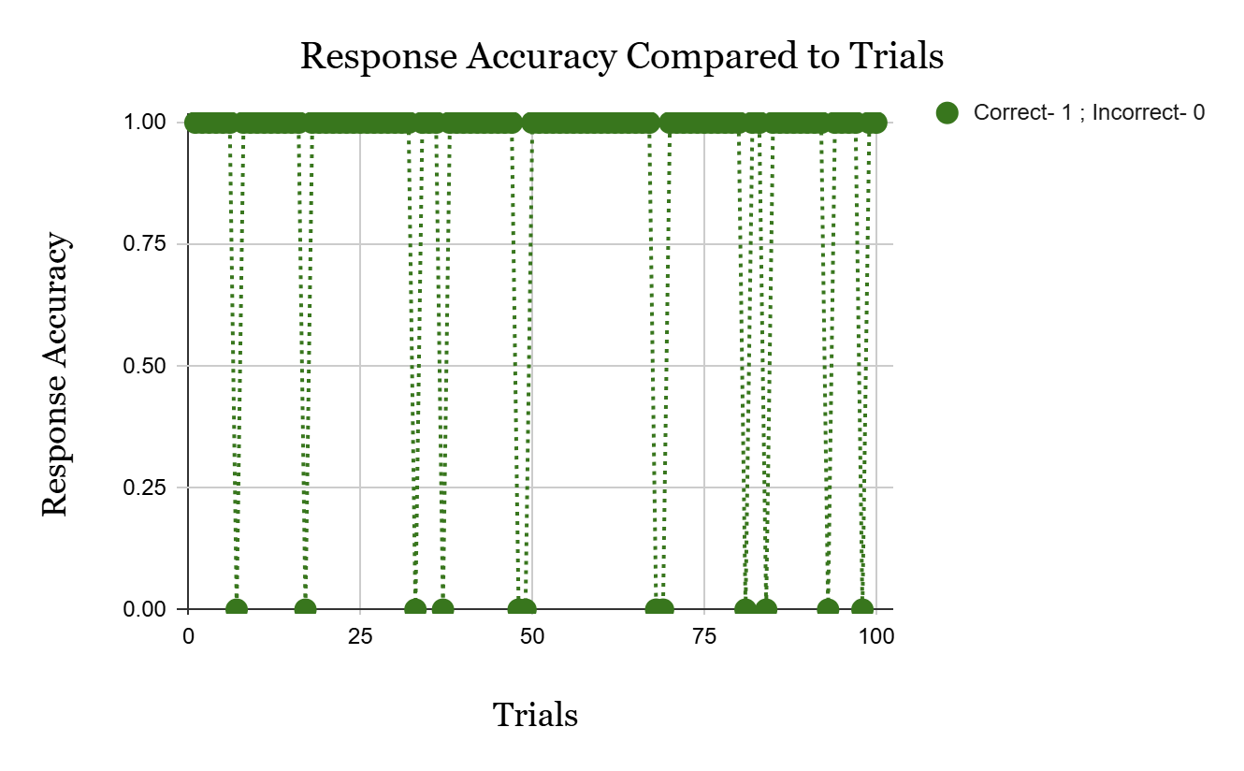
53 | -1.5 | 1 | 1.5
54 | 1.5 | 1 | 1.5
55 | -1 | 1 | 1
56 | -1 | 1 | 1
57 | -1 | 1 | 1
58 | -1 | 1 | 1
59 | -1 | 1 | 1
60 | -1 | 1 | 1
61 | -1 | 1 | 1
62 | 1 | 1 | 1
63 | 1 | 1 | 1
64 | -1 | 1 | 1
65 | -1 | 1 | 1
66 | 1 | 1 | 1
67 | -1 | 0 | 1
68 | 1.5 | 0 | 1.5
69 | 2 | 1 | 2
70 | 2 | 1 | 2
71 | -2 | 1 | 2
72 | 1.5 | 1 | 1.5
73 | -1.5 | 1 | 1.5
74 | 1.5 | 1 | 1.5
75 | -1 | 1 | 1
76 | 1 | 1 | 1
77 | -1 | 1 | 1
78 | 1 | 1 | 1
79 | -1 | 1 | 1
80 | 1 | 0 | 1
81 | 1.5 | 1 | 1.5
82 | 1.5 | 1 | 1.5
83 | -1.5 | 0 | 1.5
84 | -2 | 1 | 2
85 | 2 | 1 | 2
86 | -2 | 1 | 2
87 | 1.5 | 1 | 1.5
88 | -1.5 | 1 | 1.5
89 | 1.5 | 1 | 1.5
90 | -1 | 1 | 1
91 | -1 | 1 | 1
92 | 1 | 0 | 1
93 | 1.5 | 1 | 1.5
94 | 1.5 | 1 | 1.5
95 | 1.5 | 1 | 1.5
96 | 1 | 1 | 1
97 | -1 | 0 | 1
98 | -1.5 | 1 | 1.5
99 | 1.5 | 1 | 1.5
 |  |  |  | These graphs were made using Google Sheets whose excel file has also been sent.

